NYISO Strip Auction Price
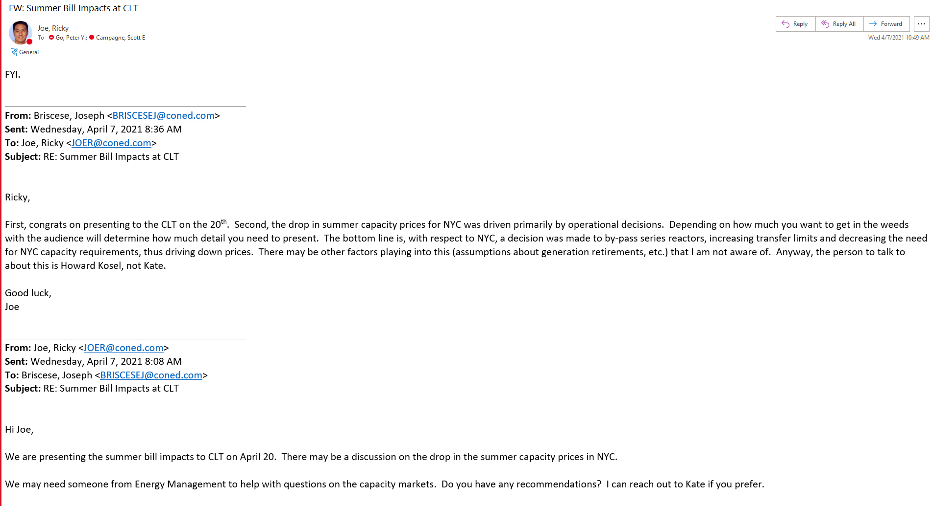
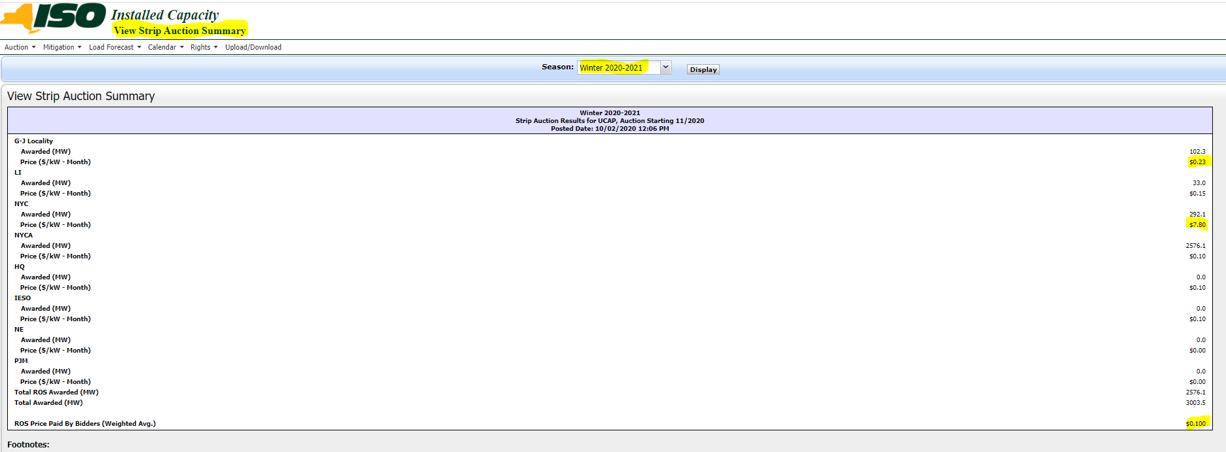
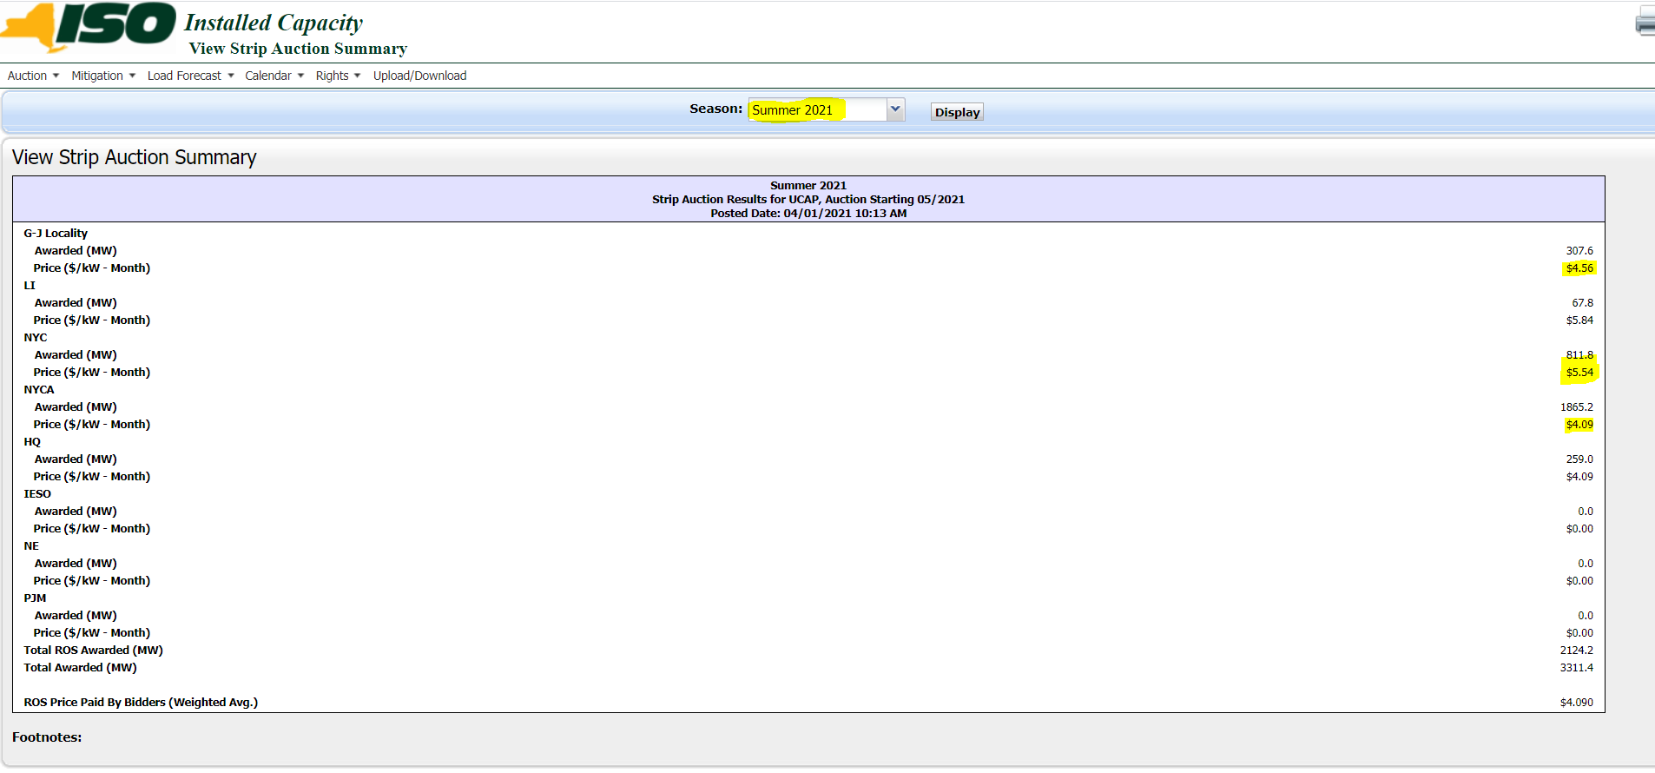
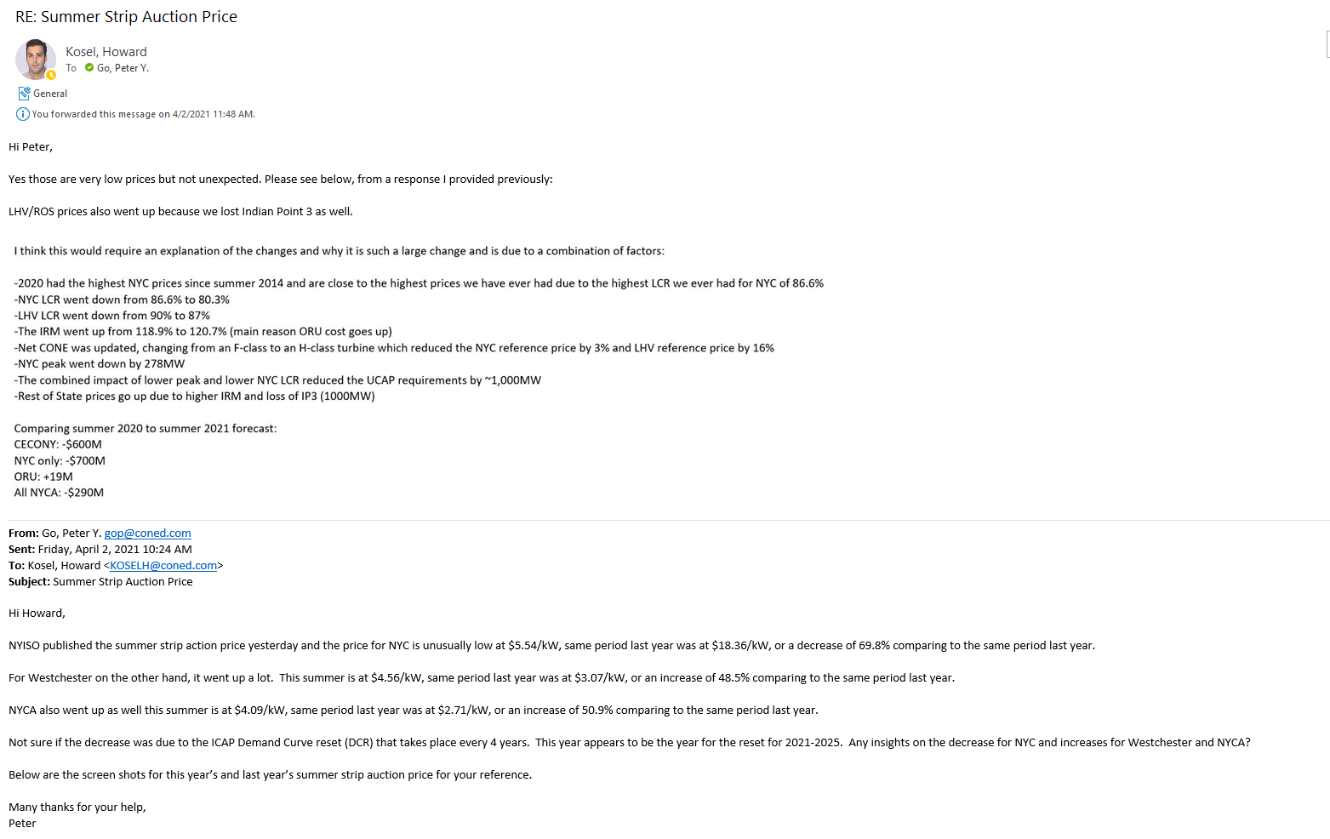

Winter 2020 - 2021 |  |  | Summer 2021 |  | Including Derating Factor
G-J Locality | $0.23 |  | G-J Locality | $4.56 | 4.40

NYC | $7.80 |  | NYC | $5.54 | 5.39

ROS | $0.10 |  | ROS | $4.09 | 3.73

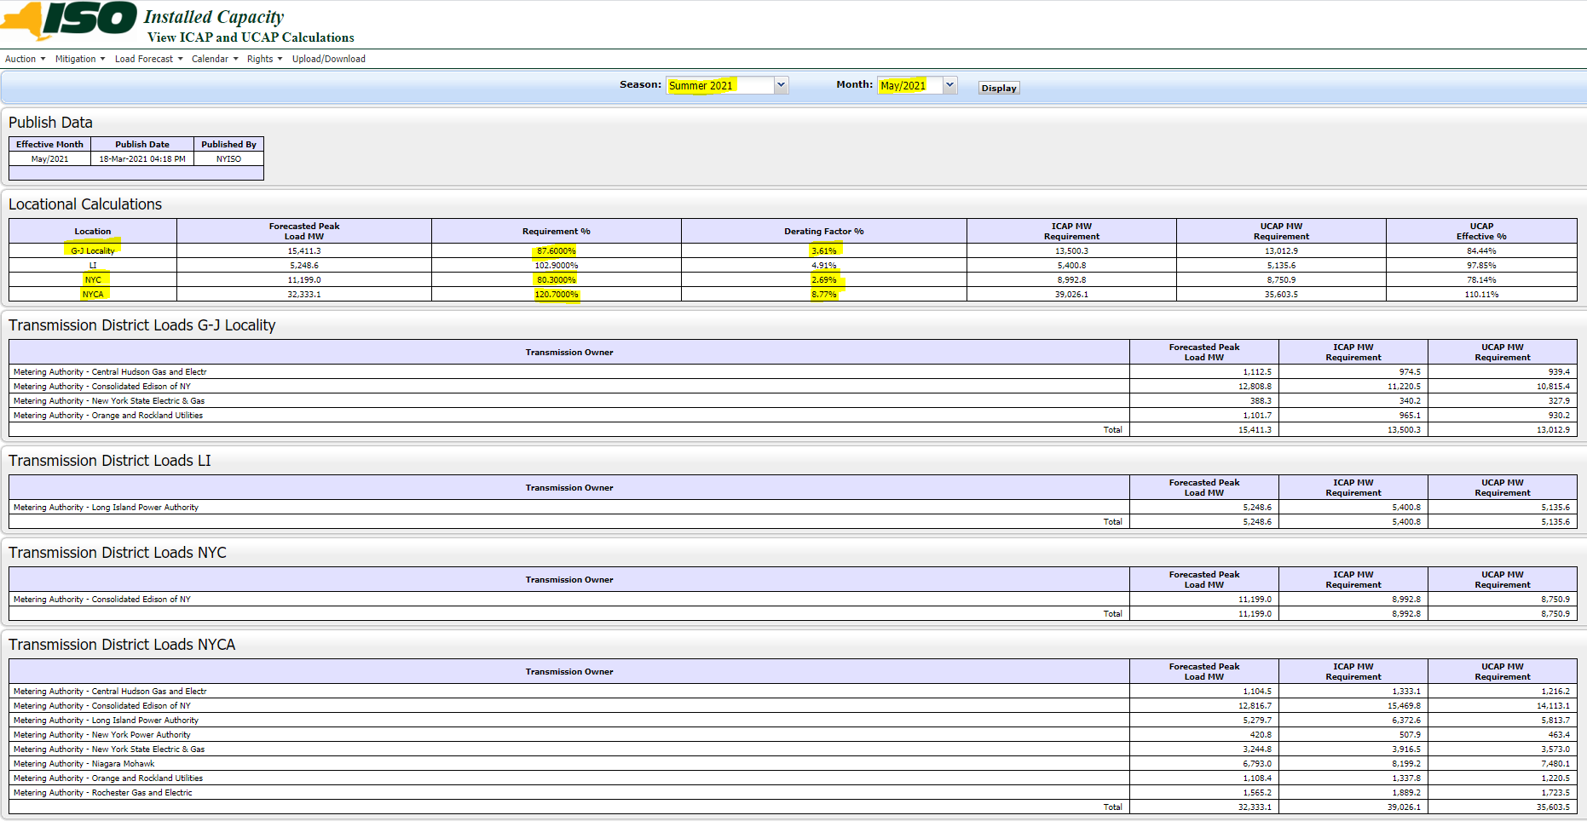
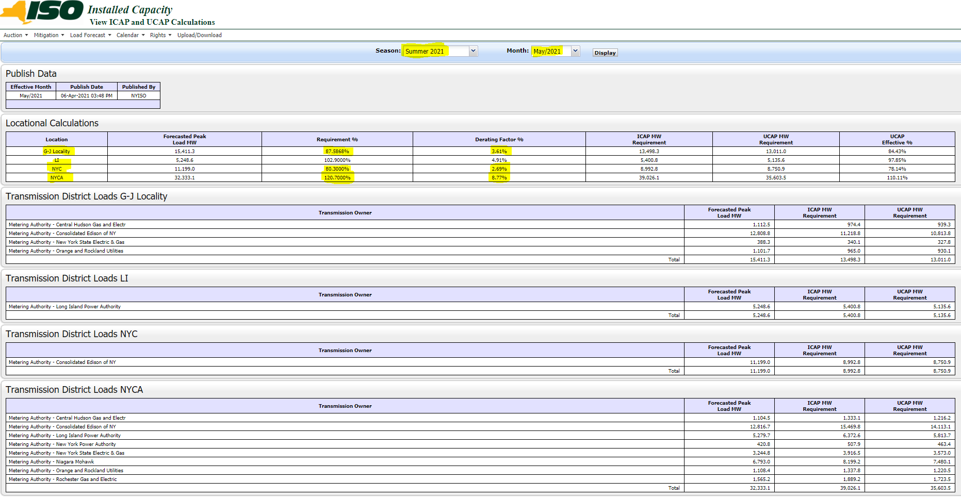
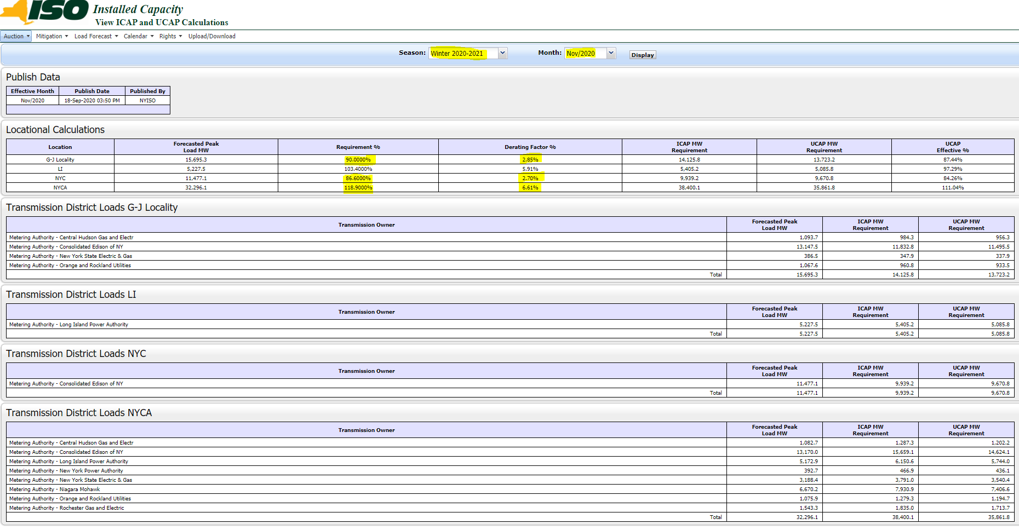

 |  |  |  |  |  | Summer 2021
 |  |  |  |  |  |  | Derating Factor | Reserved Margin
 | Derating Factor | Reserved Margin |  |  |  | G-L Locality | 3.61% | 87.59%
G-L Locality | 2.85% | 90.00% |  |  |  | NYC | 2.69% | 80.30%
NYC | 2.70% | 86.60% |  |  |  | NYCA | 8.77% | 120.70%
NYCA | 6.61% | 118.90%

Summer SC1 Residential Def Rev
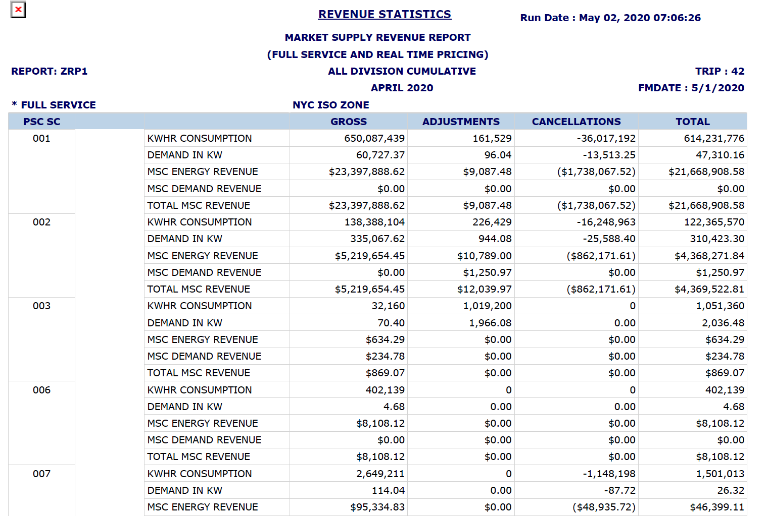
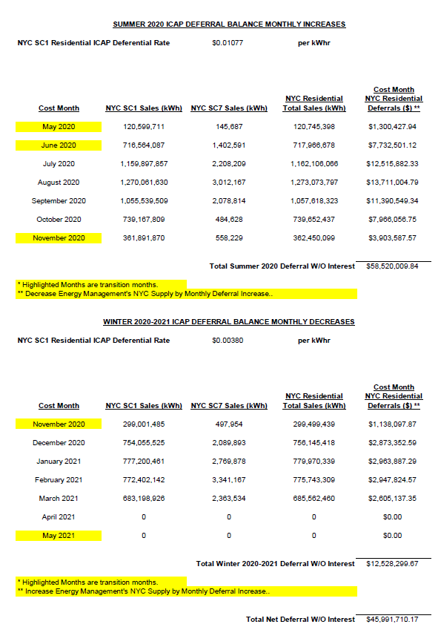
Consolidated Edison, Inc. |  |  |  |  |  |  |  | Below screen shot of Deferral up to March Trip 21 from Don
Service Class 1 NYC Residential
Capacity Deferral

Summer Estimated | Full Service & Retail | Full Service (69%)
Mitigated Revenue from May 2020 | 83,540,243 | 57,642,768 | 877,242
 |  |  |  |  |  | Recovery rate | $0.003800
Winter Estimated |  |  |  |  |  | April Sales forecast |  |  |  | $0.01077
Winter Recovery (Nov 20 - Apr 21) | 24,500,000 | 16,905,000 |  | 40,737,768 |  | (full service) | 615,732,789 |  | Total sales (kWh)
 |  |  |  |  |  | Forecasted def. | 2,339,785 |  | 120,745,398 | 1,300,427.94
 |  |  |  |  |  |  |  |  | 717,966,678 | 7,732,501.12
Mitigated Revenue from Accounting - Principle | $84,811,608 | $58,520,010 | Collection from Accounting |  |  | April sales forecast is based |  |  | 1,162,106,066 | 12,515,882.33
Accumulated interested as of Feb 21 |  | 526,553 |  |  |  | on 2020 April actual |  |  | 1,273,073,797 | 13,711,004.79
Total | $60,311,608 | 59,046,563 | 2020-11-20 | $1,138,098 |  | SC 1 | 614,231,776 |  | 1,057,618,323 | 11,390,549.34 | 614,231,776
 |  |  | 2020-12-20 | $2,873,353 |  | SC 7 | 1,501,013 |  | 739,652,437 | 7,966,056.75
Total recovery as of Feb 21 | $14,381,395 | $9,923,162 | 2021-01-21 | $2,963,887 |  |  |  |  | 362,450,099 | 3,903,587.57
 |  |  | 2021-02-21 | $2,947,825 | Check |  |  |  |  | 58,520,009.83
Total deferral including interest as of Feb 21 | $71,193,335 | $49,123,401 | Total | $9,923,162 | -

Check | -

This is through March 2021 trip 21 without interest |  | 2,605,137 | 21-Mar | 2,605,137
Forecasted April sales |  | 2,339,785
Net deferral including interest up to Feb 21
plus March 21 trip 17 | 64,026,781 | 44,178,479 | Total | 12,528,300 |  | 2644
 |  |  |  |  |  | 31728
 | Check
 | 44,178,479 | SC1 NYC Rate
 |  | 0.0347
 | -

 |  |  |  | 8.725
 |  |  |  | 8,725,000

 |  |  |  |  |  |  |  |  | Trip 21
 |  |  |  |  |  |  |  |  | 2,605,137.35

 |  |  |  |  |  |  |  |  |  |  | 1,501,013

 |  |  |  |  |  |  |  | Below screen shot of Deferral up to March Trip 17 from Don
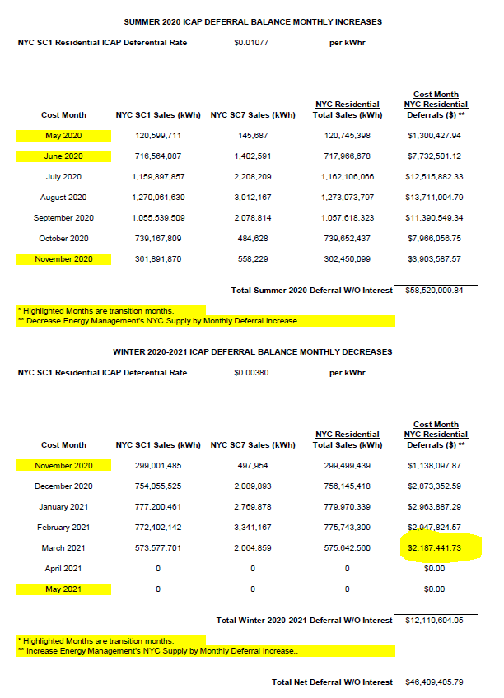

 |  |  |  |  |  |  |  |  | Trip 17
 |  |  |  |  |  |  |  |  | 2,187,441.73

